S


1
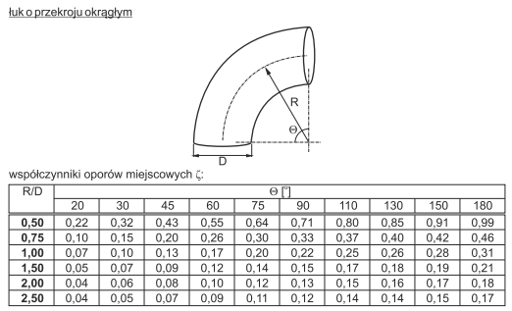

Fitting Type |  | Shape
Elbow |  | Round
R/D | Angle
 | 20 | 30 | 45 | 60 | 75 | 90 | 110 | 130 | 150 | 180 | ,
0.50 | 0.22 | 0.32 | 0.43 | 0.55 | 0.64 | 0.71 | 0.80 | 0.85 | 0.91 | 0.99 | 0.22, 0.32, 0.43, 0.55, 0.64, 0.71, 0.8, 0.85, 0.91, 0.99
0.75 | 0.10 | 0.15 | 0.20 | 0.26 | 0.30 | 0.33 | 0.37 | 0.40 | 0.42 | 0.46 | 0.1, 0.15, 0.2, 0.26, 0.3, 0.33, 0.37, 0.4, 0.42, 0.46
1.00 | 0.07 | 0.10 | 0.13 | 0.17 | 0.20 | 0.22 | 0.25 | 0.26 | 0.28 | 0.31 | 0.07, 0.1, 0.13, 0.17, 0.2, 0.22, 0.25, 0.26, 0.28, 0.31
1.50 | 0.05 | 0.07 | 0.09 | 0.12 | 0.14 | 0.15 | 0.17 | 0.18 | 0.19 | 0.21 | 0.05, 0.07, 0.09, 0.12, 0.14, 0.15, 0.17, 0.18, 0.19, 0.21
2.00 | 0.04 | 0.06 | 0.08 | 0.10 | 0.12 | 0.13 | 0.15 | 0.16 | 0.17 | 0.18 | 0.04, 0.06, 0.08, 0.1, 0.12, 0.13, 0.15, 0.16, 0.17, 0.18
2.50 | 0.04 | 0.05 | 0.07 | 0.09 | 0.11 | 0.12 | 0.14 | 0.14 | 0.15 | 0.17 | 0.04, 0.05, 0.07, 0.09, 0.11, 0.12, 0.14, 0.14, 0.15, 0.17

2
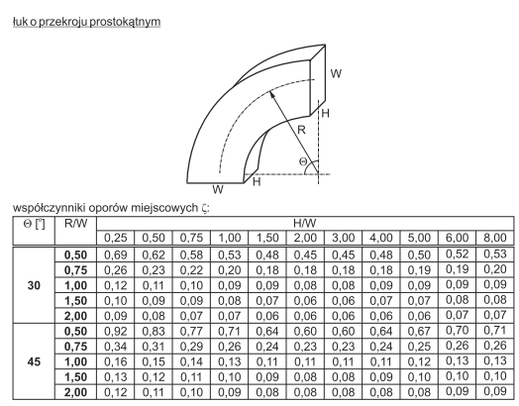

 |  |  | Fitting Type |  | Shape
 |  |  | Elbow |  | Rectangular
 |  |  | angle | R/W | H/W
 |  |  |  |  | 0.25 | 0.50 | 0.75 | 1.00 | 1.50 | 2.00 | 3.00 | 4.00 | 5.00 | 6.00 | 8.00
 |  |  | 30 | 0.50 | 0.69 | 0.62 | 0.58 | 0.53 | 0.48 | 0.45 | 0.45 | 0.43 | 0.50 | 0.52 | 0.53
 |  |  |  | 0.75 | 0.26 | 0.23 | 0.22 | 0.20 | 0.18 | 0.18 | 0.18 | 0.18 | 0.19 | 0.19 | 0.20
 |  |  |  | 1.00 | 0.12 | 0.11 | 0.10 | 0.09 | 0.09 | 0.08 | 0.08 | 0.09 | 0.09 | 0.09 | 0.09
 |  |  |  | 1.50 | 0.10 | 0.09 | 0.09 | 0.08 | 0.07 | 0.06 | 0.06 | 0.07 | 0.07 | 0.08 | 0.08
 |  |  |  | 2.00 | 0.09 | 0.08 | 0.07 | 0.07 | 0.06 | 0.06 | 0.06 | 0.06 | 0.06 | 0.07 | 0.07
 |  |  | 45 | 0.50 | 0.92 | 0.83 | 0.77 | 0.71 | 0.64 | 0.60 | 0.60 | 0.64 | 0.67 | 0.70 | 0.71
 |  |  |  | 0.75 | 0.34 | 0.31 | 0.29 | 0.26 | 0.24 | 0.23 | 0.23 | 0.24 | 0.25 | 0.26 | 0.26
 |  |  |  | 1.00 | 0.16 | 0.15 | 0.14 | 0.13 | 0.11 | 0.11 | 0.11 | 0.11 | 0.12 | 0.13 | 0.13
 |  |  |  | 1.50 | 0.13 | 0.12 | 0.11 | 0.10 | 0.09 | 0.08 | 0.08 | 0.09 | 0.10 | 0.10 | 0.10
 |  |  |  | 2.00 | 0.12 | 0.11 | 0.10 | 0.09 | 0.08 | 0.08 | 0.08 | 0.08 | 0.08 | 0.09 | 0.09
 |  |  | 60 | 0.50 | 1.19 | 1.08 | 1.01 | 0.92 | 0.83 | 0.78 | 0.78 | 0.83 | 0.87 | 0.90 | 0.92
 |  |  |  | 0.75 | 0.44 | 0.41 | 0.37 | 0.34 | 0.31 | 0.30 | 0.30 | 0.31 | 0.33 | 0.34 | 0.34
 |  |  |  | 1.00 | 0.21 | 0.20 | 0.18 | 0.16 | 0.15 | 0.14 | 0.14 | 0.15 | 0.16 | 0.16 | 0.16
 |  |  |  | 1.50 | 0.17 | 0.16 | 0.15 | 0.13 | 0.12 | 0.11 | 0.11 | 0.12 | 0.12 | 0.13 | 0.13
 |  |  |  | 2.00 | 0.16 | 0.14 | 0.12 | 0.12 | 0.11 | 0.10 | 0.10 | 0.11 | 0.11 | 0.12 | 0.12
 |  |  | 90 | 0.50 | 1.53 | 1.38 | 1.29 | 1.18 | 1.06 | 1.00 | 1.00 | 1.06 | 1.12 | 1.16 | 1.18
 |  |  |  | 0.75 | 0.57 | 0.52 | 0.48 | 0.44 | 0.40 | 0.39 | 0.39 | 0.40 | 0.42 | 0.43 | 0.44
 |  |  |  | 1.00 | 0.27 | 0.25 | 0.23 | 0.21 | 0.19 | 0.18 | 0.18 | 0.19 | 0.20 | 0.21 | 0.21
 |  |  |  | 1.50 | 0.22 | 0.20 | 0.19 | 0.17 | 0.15 | 0.14 | 0.14 | 0.15 | 0.16 | 0.17 | 0.17
 |  |  |  | 2.00 | 0.20 | 0.18 | 0.16 | 0.15 | 0.14 | 0.13 | 0.13 | 0.14 | 0.14 | 0.15 | 0.15

Manufacturer | Symbol | Name
Alnor | QB | Rectangular Bend

3
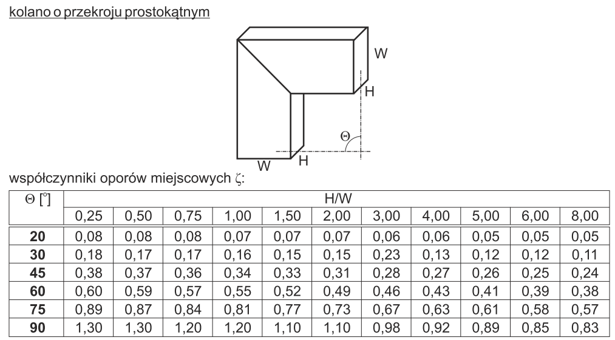

 |  |  | Fitting Type |  | Shape
 |  |  | Bend |  | Rectangular
 |  |  | Angle | H/W
 |  |  |  | 0.25 | 0.50 | 0.75 | 1.00 | 1.50 | 2.00 | 3.00 | 4.00 | 5.00 | 6.00 | 8.00
 |  |  | 20 | 0.08 | 0.08 | 0.08 | 0.07 | 0.07 | 0.07 | 0.06 | 0.06 | 0.05 | 0.05 | 0.05
 |  |  | 30 | 0.18 | 0.17 | 0.17 | 0.16 | 0.15 | 0.15 | 0.13 | 0.13 | 0.12 | 0.12 | 0.11
 |  |  | 45 | 0.38 | 0.37 | 0.36 | 0.34 | 0.33 | 0.31 | 0.28 | 0.27 | 0.26 | 0.25 | 0.24
 |  |  | 60 | 0.60 | 0.59 | 0.57 | 0.55 | 0.52 | 0.49 | 0.46 | 0.43 | 0.41 | 0.39 | 0.38
 |  |  | 75 | 0.89 | 0.87 | 0.84 | 0.81 | 0.77 | 0.73 | 0.67 | 0.63 | 0.61 | 0.58 | 0.57
 |  |  | 90 | 1.30 | 1.20 | 1.20 | 1.20 | 1.10 | 1.10 | 0.98 | 0.92 | 0.89 | 0.85 | 0.83

 |  |  | Comments:
Manufacturer | Symbol | Name | For Angle 30 and H/W = 3, the value was changed from 0,23 to 0,13
Alnor | QBF | Rectangular Elbow

4
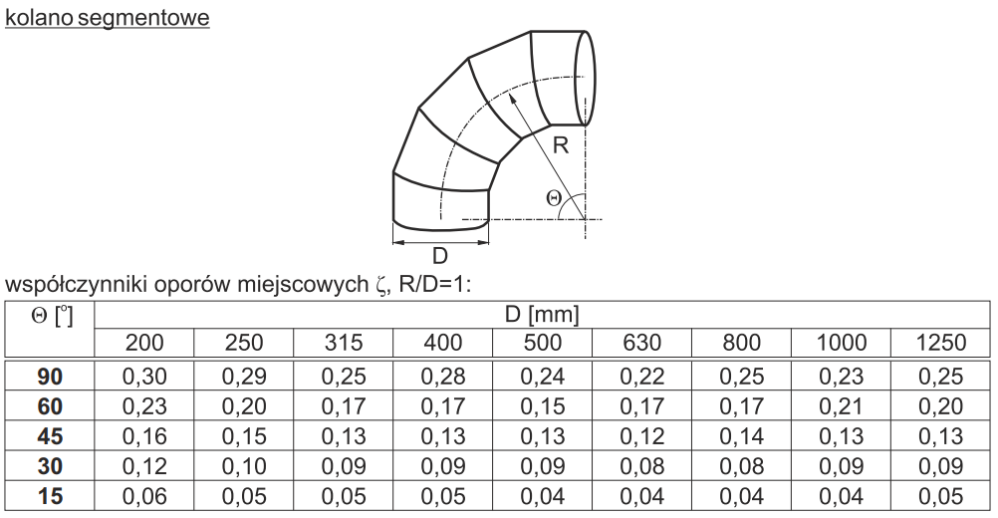

Fitting Type |  | Shape
Segmented Elbow |  | Round
Angle | D
 | 200 | 250 | 315 | 400 | 500 | 630 | 800 | 1000 | 1250
15 | 0.06 | 0.05 | 0.05 | 0.05 | 0.04 | 0.04 | 0.04 | 0.04 | 0.05
30 | 0.12 | 0.10 | 0.09 | 0.09 | 0.09 | 0.08 | 0.08 | 0.09 | 0.09
45 | 0.16 | 0.15 | 0.13 | 0.13 | 0.13 | 0.12 | 0.14 | 0.13 | 0.13
60 | 0.23 | 0.20 | 0.17 | 0.17 | 0.15 | 0.17 | 0.17 | 0.21 | 0.20
90 | 0.30 | 0.29 | 0.25 | 0.28 | 0.24 | 0.22 | 0.25 | 0.23 | 0.25

Comments:
The last row where angle equals 90, looks bad
Revise the values

5
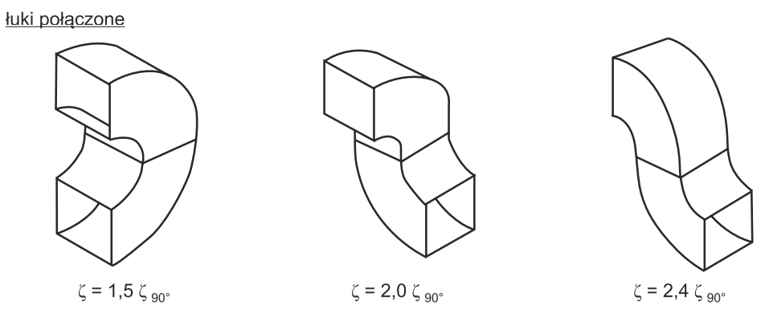

 |  |  | case | 1 | 2 | 3
 |  |  | zeta90 | 1.5 | 2.0 | 2.4

Manufacturer | Symbol | Name
Alnor | QB | Rectangular Bend

6
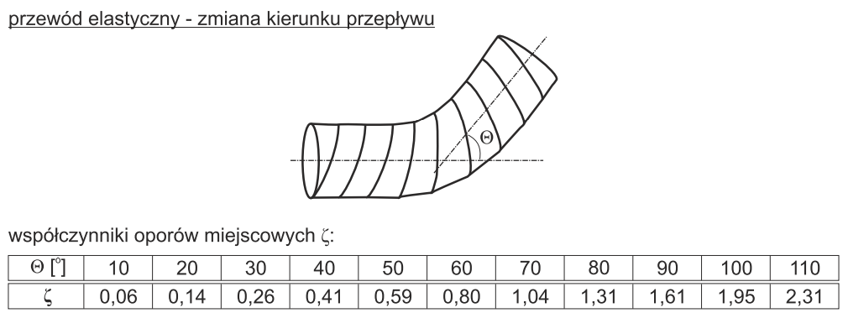

angle | 10 | 20 | 30 | 40 | 50 | 60 | 70 | 80 | 90 | 100 | 110
zeta | 0.06 | 0.14 | 0.26 | 0.41 | 0.59 | 0.8 | 1.04 | 1.31 | 1.61 | 1.95 | 2.31

7
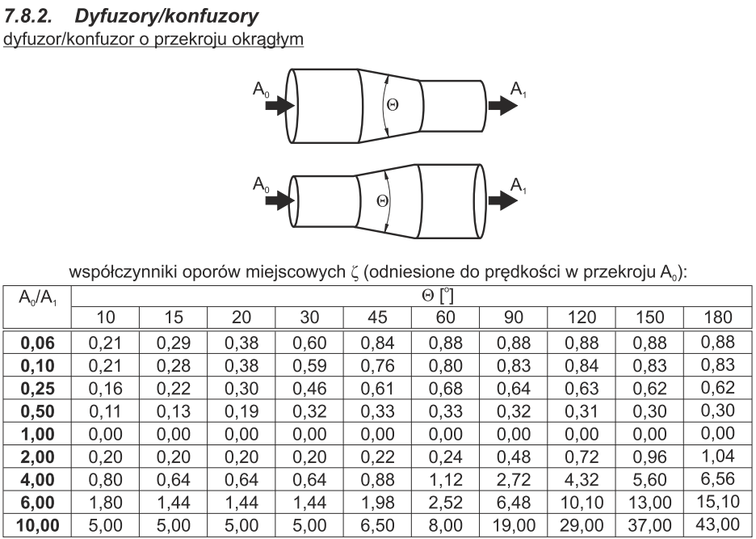

 |  |  | Fitting Type |  | Shape
 |  |  | Transition |  | Round
 |  |  | A0/A1 | Angle
 |  |  |  | 10 | 15 | 20 | 30 | 45 | 60 | 90 | 120 | 150 | 180
 |  |  | 0.06 | 0.21 | 0.29 | 0.38 | 0.60 | 0.84 | 0.88 | 0.88 | 0.88 | 0.88 | 0.88
 |  |  | 0.10 | 0.21 | 0.28 | 0.38 | 0.59 | 0.76 | 0.80 | 0.83 | 0.84 | 0.83 | 0.83
 |  |  | 0.25 | 0.16 | 0.22 | 0.30 | 0.46 | 0.61 | 0.68 | 0.64 | 0.63 | 0.62 | 0.62
 |  |  | 0.50 | 0.11 | 0.13 | 0.19 | 0.32 | 0.33 | 0.33 | 0.32 | 0.31 | 0.30 | 0.30
 |  |  | 1.00 | 0.00 | 0.00 | 0.00 | 0.00 | 0.00 | 0.00 | 0.00 | 0.00 | 0.00 | 0.00
 |  |  | 2.00 | 0.20 | 0.20 | 0.20 | 0.20 | 0.22 | 0.24 | 0.48 | 0.72 | 0.96 | 1.04
 |  |  | 4.00 | 0.80 | 0.64 | 0.64 | 0.64 | 0.88 | 1.12 | 2.72 | 4.32 | 5.60 | 6.56
 |  |  | 6.00 | 1.80 | 1.44 | 1.44 | 1.44 | 1.98 | 2.52 | 6.48 | 10.10 | 13.00 | 15.10
 |  |  | 10.00 | 5.00 | 5.00 | 5.00 | 5.00 | 6.50 | 8.00 | 19.00 | 29.00 | 37.00 | 43.00

Manufacturer | Symbol | Name
ACCA | 12A | Transitions

8
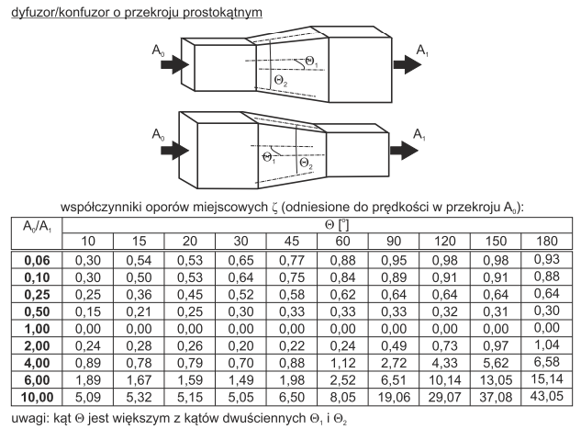

 |  |  | Fitting Type |  | Shape
 |  |  | Transition |  | Rectangular
 |  |  | A0/A1 | Angle
 |  |  |  | 10 | 15 | 20 | 30 | 45 | 60 | 90 | 120 | 150 | 180
 |  |  | 0.06 | 0.30 | 0.54 | 0.53 | 0.65 | 0.77 | 0.88 | 0.95 | 0.98 | 0.98 | 0.93
 |  |  | 0.10 | 0.30 | 0.50 | 0.53 | 0.64 | 0.75 | 0.84 | 0.89 | 0.91 | 0.91 | 0.88
 |  |  | 0.25 | 0.25 | 0.36 | 0.45 | 0.52 | 0.58 | 0.62 | 0.64 | 0.64 | 0.64 | 0.64
 |  |  | 0.50 | 0.15 | 0.21 | 0.25 | 0.30 | 0.33 | 0.33 | 0.33 | 0.32 | 0.31 | 0.30
 |  |  | 1.00 | 0.00 | 0.00 | 0.00 | 0.00 | 0.00 | 0.00 | 0.00 | 0.00 | 0.00 | 0.00
 |  |  | 2.00 | 0.24 | 0.28 | 0.26 | 0.20 | 0.22 | 0.24 | 0.49 | 0.73 | 0.97 | 1.04
 |  |  | 4.00 | 0.89 | 0.78 | 0.79 | 0.70 | 0.88 | 1.12 | 2.72 | 4.33 | 5.62 | 6.58
 |  |  | 6.00 | 1.89 | 1.67 | 1.59 | 1.49 | 1.98 | 2.52 | 6.51 | 10.14 | 13.05 | 15.14
 |  |  | 10.00 | 5.09 | 5.32 | 5.15 | 5.05 | 6.50 | 8.05 | 19.06 | 29.07 | 37.08 | 43.05

Manufacturer | Symbol | Name
Alnor | QPR2 | Eccentric reducer
Alnor | QPR6 | Concentric reducer
ACCA | 12F | Transitions

9
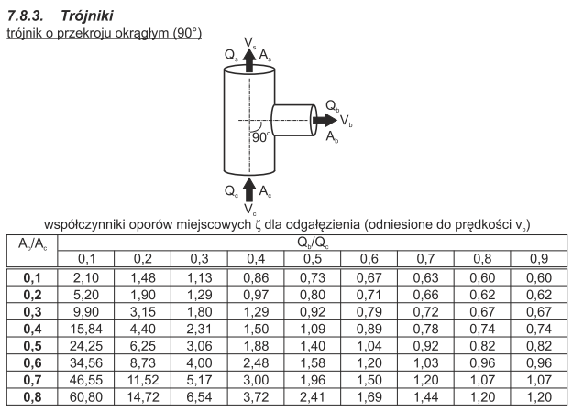

 |  |  | Fitting Type |  | Fitting Role |  | Paths (From-To) |  | Branch Shape
 |  |  | Tee |  | Splitter |  | c-b |  | Round
 |  |  | Ab/Ac | Qb/Qc
 |  |  |  | 0.1 | 0.2 | 0.3 | 0.4 | 0.5 | 0.6 | 0.7 | 0.8 | 0.9
 |  |  | 0.1 | 2.10 | 1.48 | 1.13 | 0.86 | 0.73 | 0.67 | 0.63 | 0.60 | 0.60
 |  |  | 0.2 | 5.20 | 1.90 | 1.29 | 0.97 | 0.80 | 0.71 | 0.66 | 0.62 | 0.62
 |  |  | 0.3 | 9.90 | 3.15 | 1.80 | 1.29 | 0.92 | 0.79 | 0.72 | 0.67 | 0.67
 |  |  | 0.4 | 15.84 | 4.40 | 2.31 | 1.50 | 1.09 | 0.89 | 0.78 | 0.74 | 0.74
 |  |  | 0.5 | 24.25 | 6.25 | 3.06 | 1.88 | 1.40 | 1.04 | 0.92 | 0.82 | 0.82
 |  |  | 0.6 | 34.56 | 8.73 | 4.00 | 2.48 | 1.58 | 1.20 | 1.03 | 0.96 | 0.96
 |  |  | 0.7 | 46.55 | 11.52 | 5.17 | 3.00 | 1.96 | 1.50 | 1.20 | 1.07 | 1.07
 |  |  | 0.8 | 60.80 | 14.72 | 6.54 | 3.72 | 2.41 | 1.69 | 1.44 | 1.20 | 1.20
 |  |  |  |  |  |  | Paths (From-To) |  | Main Shape
 |  |  |  |  |  |  | c-s |  | Round
 |  |  | vs/vc | 0.1 | 0.2 | 0.3 | 0.4 | 0.5 | 0.6 | 0.8
 |  |  | zeta | 28 | 5.5 | 1.89 | 0.81 | 0.36 | 0.17 | 0.03

Organisation | Symbol | Name
ACCA | 9I | Supply Trunk Junction Fitting

10
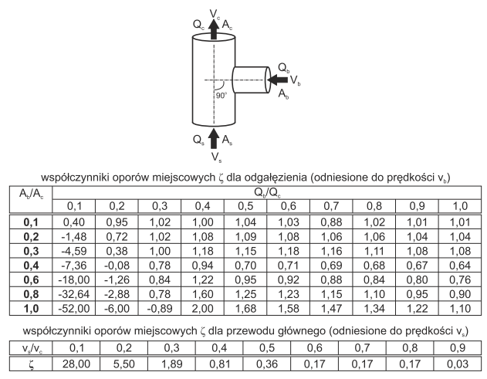

 |  |  | Fitting Type |  | Fitting Role |  | Paths (From-To) |  | Branch Shape
 |  |  | Tee |  | Mixer |  | b-c |  | Round
 |  |  | Ab/Ac | Qb/Qc
 |  |  |  | 0.1 | 0.2 | 0.3 | 0.4 | 0.5 | 0.6 | 0.7 | 0.8 | 0.9 | 1.0
 |  |  | 0.1 | 0.40 | 0.95 | 1.02 | 1.00 | 1.04 | 1.03 | 0.88 | 1.02 | 1.01 | 1.01
 |  |  | 0.2 | -1.48 | 0.72 | 1.02 | 1.08 | 1.09 | 1.08 | 1.06 | 1.06 | 1.04 | 1.04
 |  |  | 0.3 | -4.59 | 0.38 | 1.00 | 1.18 | 1.15 | 1.18 | 1.16 | 1.11 | 1.08 | 1.08
 |  |  | 0.4 | -7.36 | -0.08 | 0.78 | 0.94 | 0.70 | 0.71 | 0.69 | 0.68 | 0.67 | 0.64
 |  |  | 0.6 | -18.00 | -1.26 | 0.84 | 1.22 | 0.95 | 0.92 | 0.88 | 0.84 | 0.80 | 0.76
 |  |  | 0.8 | -32.64 | -2.88 | 0.78 | 1.60 | 1.25 | 1.23 | 1.15 | 1.10 | 0.95 | 0.90
 |  |  | 1.0 | -52.00 | -6.00 | -0.89 | 2.00 | 1.68 | 1.58 | 1.47 | 1.34 | 1.22 | 1.10
 |  |  |  |  |  |  | Paths (From-To) |  | Main Shape
 |  |  |  |  |  |  | s-c |  | Round
 |  |  | vs/vc | 0.1 | 0.2 | 0.3 | 0.4 | 0.5 | 0.6 | 0.7 | 0.8 | 0.9
 |  |  | zeta | 28 | 5.5 | 1.89 | 0.81 | 0.36 | 0.17 | 0.17 | 0.17 | 0.03
Organisation | Symbol | Name
ACCA |  | Return Trunk Junction Fitting

11
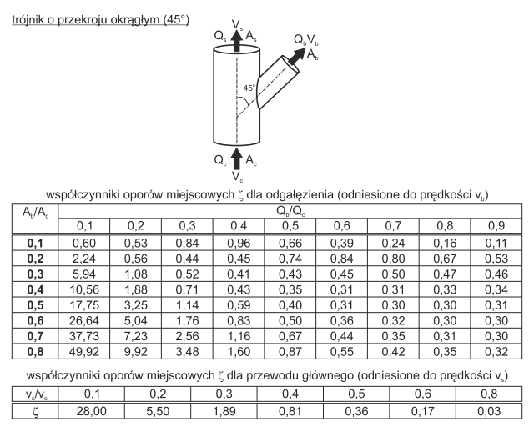

 |  |  | Fitting Type |  | Fitting Role |  | Paths (From-To) |  | Branch Shape
 |  |  | Tee |  | Splitter |  | c-b |  | Round
 |  |  | Ab/Ac | Qb/Qc
 |  |  |  | 0.1 | 0.2 | 0.3 | 0.4 | 0.5 | 0.6 | 0.7 | 0.8 | 0.9
 |  |  | 0.1 | 0.60 | 0.53 | 0.84 | 0.96 | 0.66 | 0.39 | 0.24 | 0.16 | 0.11
 |  |  | 0.2 | 2.24 | 0.56 | 0.44 | 0.45 | 0.74 | 0.84 | 0.80 | 0.67 | 0.53
 |  |  | 0.3 | 5.94 | 1.08 | 0.52 | 0.41 | 0.43 | 0.45 | 0.50 | 0.47 | 0.46
 |  |  | 0.4 | 10.56 | 1.88 | 0.71 | 0.43 | 0.35 | 0.31 | 0.31 | 0.33 | 0.34
 |  |  | 0.5 | 17.75 | 3.25 | 1.14 | 0.59 | 0.40 | 0.31 | 0.30 | 0.30 | 0.31
 |  |  | 0.6 | 26.64 | 5.04 | 1.76 | 0.83 | 0.50 | 0.36 | 0.32 | 0.30 | 0.30
 |  |  | 0.7 | 37.73 | 7.23 | 2.56 | 1.16 | 0.67 | 0.44 | 0.35 | 0.31 | 0.30
 |  |  | 0.8 | 49.92 | 9.92 | 3.48 | 1.60 | 0.87 | 0.55 | 0.42 | 0.35 | 0.32
 |  |  |  |  |  |  | Paths (From-To) |  | Main Shape
 |  |  |  |  |  |  | s-b |  | Round
 |  |  | vs/vc | 0.1 | 0.2 | 0.3 | 0.4 | 0.5 | 0.6 | 0.8
 |  |  | zeta | 28.00 | 5.50 | 1.89 | 0.81 | 0.36 | 0.17 | 0.03
Organisation | Symbol | Name
ACCA | 9J | Supply Trunk Junction Fitting

12
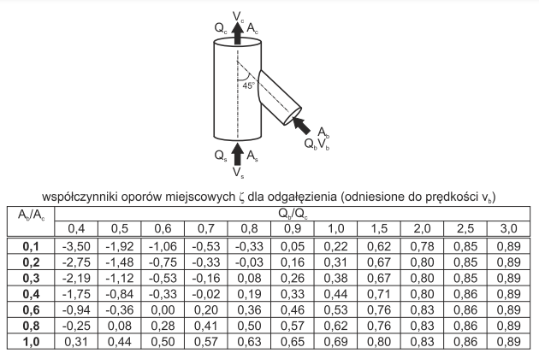

 |  |  | Fitting Type |  | Fitting Role |  | Paths (From-To) |  | Branch Shape
 |  |  | Tee |  | Mixer |  | b-c |  | Round
 |  |  | Ab/Ac | Qb/Qc
 |  |  |  | 0.4 | 0.5 | 0.6 | 0.7 | 0.8 | 0.9 | 1 | 1.5 | 2 | 2.5 | 3
 |  |  | 0.1 | -3.50 | -1.92 | -1.06 | -0.53 | -0.33 | 0.05 | 0.22 | 0.62 | 0.78 | 0.85 | 0.89
 |  |  | 0.2 | -2.75 | -1.48 | -0.75 | -0.33 | -0.03 | 0.16 | 0.31 | 0.67 | 0.80 | 0.85 | 0.89
 |  |  | 0.3 | -2.19 | -1.12 | -0.53 | -0.16 | 0.08 | 0.26 | 0.38 | 0.67 | 0.80 | 0.85 | 0.89
 |  |  | 0.4 | -1.75 | -0.84 | -0.33 | -0.02 | 0.19 | 0.33 | 0.44 | 0.71 | 0.80 | 0.86 | 0.89
 |  |  | 0.5 | -0.94 | -0.36 | 0.00 | 0.20 | 0.36 | 0.46 | 0.53 | 0.76 | 0.83 | 0.86 | 0.89
 |  |  | 0.6 | -0.25 | 0.08 | 0.28 | 0.41 | 0.50 | 0.57 | 0.62 | 0.76 | 0.83 | 0.86 | 0.89
 |  |  | 0.7 | 0.31 | 0.44 | 0.50 | 0.57 | 0.63 | 0.65 | 0.69 | 0.80 | 0.83 | 0.86 | 0.89
 |  |  |  |  |  |  | Paths (From-To) |  | Main Shape
 |  |  |  |  |  |  | s-c |  | Round
 |  |  | Ab/Ac | vs/vc
 |  |  |  | 0.1 | 0.2 | 0.3 | 0.4 | 0.5 | 0.6 | 0.7 | 0.8 | 0.9 | 1.0
 |  |  | 0.1 | -860.00 | -167.50 | -55.56 | -21.88 | -9.20 | -3.61 | -1.29 | -0.28 | 0.04 | -0.01
 |  |  | 0.2 | -410.00 | -77.50 | -24.44 | -9.38 | -3.80 | -1.39 | -0.37 | 0.02 | 0.09 | 0.00
 |  |  | 0.3 | -250.00 | -47.50 | -14.44 | -5.50 | -2.04 | -0.61 | -0.06 | 0.11 | 0.10 | 0.00
 |  |  | 0.4 | -170.00 | -32.50 | -9.78 | -3.44 | -1.12 | -0.25 | 0.08 | 0.16 | 0.11 | 0.10
 |  |  | 0.6 | -97.00 | -16.75 | -4.67 | -1.31 | -0.24 | 0.14 | 0.24 | 0.20 | 0.12 | 0.02
 |  |  | 0.8 | -58.00 | -9.00 | -2.11 | -0.31 | 0.24 | 0.33 | 0.33 | 0.23 | 0.14 | 0.04
 |  |  | 1 | -34.00 | -4.50 | -0.56 | 0.31 | 0.52 | 0.47 | 0.37 | 0.27 | 0.16 | 0.05

Organisation | Symbol | Name |  | 860 | 167.5 | 55.56 | 21.88 | 9.2 | 3.61 | 1.29 | 0.28 | 0.04 | 0.01
ACCA | 10E | Return Trunk Junction Fitting |  | 410 | 77.5 | 24.44 | 9.38 | 3.8 | 1.39 | 0.37 | 0.02 | 0.09 | 0
 |  |  |  | 250 | 47.5 | 14.44 | 5.5 | 2.04 | 0.61 | 0.06 | 0.11 | 0.1 | 0
 |  |  |  | 170 | 32.5 | 9.78 | 3.44 | 1.12 | 0.25 | 0.08 | 0.16 | 0.11 | 0.1
 |  |  |  | 97 | 16.75 | 4.67 | 1.31 | 0.24 | 0.14 | 0.24 | 0.2 | 0.12 | 0.02
 |  |  |  | 58 | 9 | 2.11 | 0.31 | 0.24 | 0.33 | 0.33 | 0.23 | 0.14 | 0.04
 |  |  |  | 34 | 4.5 | 0.56 | 0.31 | 0.52 | 0.47 | 0.37 | 0.27 | 0.16 | 0.05

13
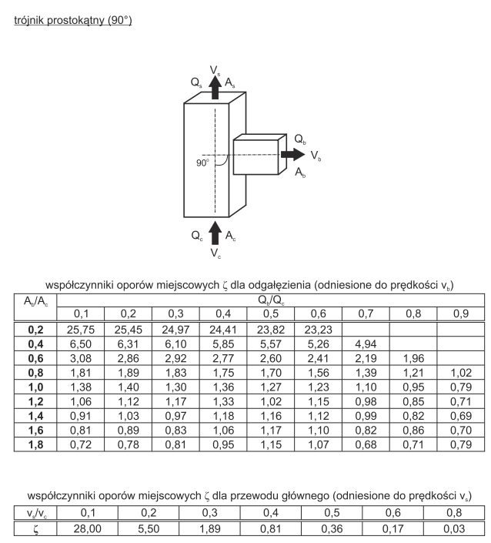
 | 3.08 | 1.81 | 1.38 | 1.06 | 0.91 | 0.81 | 0.72
 | 2.86 | 1.89 | 1.40 | 1.12 | 1.03 | 0.89 | 0.78
 | 2.92 | 1.83 | 1.30 | 1.17 | 0.97 | 0.83 | 0.81
 | 2.77 | 1.75 | 1.36 | 1.33 | 1.18 | 1.06 | 0.95
 | 2.60 | 1.70 | 1.27 | 1.02 | 1.16 | 1.17 | 1.15
 | 2.41 | 1.56 | 1.23 | 1.15 | 1.12 | 1.10 | 1.07
 | 2.19 | 1.39 | 1.10 | 0.98 | 0.99 | 0.82 | 0.68
 | 1.96 | 1.21 | 0.95 | 0.85 | 0.82 | 0.86 | 0.71
 |  | 1.02 | 0.79 | 0.71 | 0.69 | 0.70 | 0.79

 |  |  | Fitting Type |  | Fitting Role |  | Paths (From-To) |  | Branch Shape
 |  |  | Tee |  | Splitter |  | c-b |  | Rectangular
 |  |  | Ab/Ac | Qb/Qc
 |  |  |  | 0.1 | 0.2 | 0.3 | 0.4 | 0.5 | 0.6 | 0.7 | 0.8 | 0.9
 |  |  | 0.2 | 25.75 | 25.45 | 24.97 | 24.41 | 23.82 | 23.23
 |  |  | 0.4 | 6.50 | 6.31 | 6.10 | 5.85 | 5.57 | 5.26 | 4.94
 |  |  | 0.6 | 3.08 | 2.86 | 2.92 | 2.77 | 2.60 | 2.41 | 2.19 | 1.96
 |  |  | 0.8 | 1.81 | 1.89 | 1.83 | 1.75 | 1.70 | 1.56 | 1.39 | 1.21 | 1.02
 |  |  | 1.0 | 1.38 | 1.40 | 1.30 | 1.36 | 1.27 | 1.23 | 1.10 | 0.95 | 0.79
 |  |  | 1.2 | 1.06 | 1.12 | 1.17 | 1.33 | 1.02 | 1.15 | 0.98 | 0.85 | 0.71
 |  |  | 1.4 | 0.91 | 1.03 | 0.97 | 1.18 | 1.16 | 1.12 | 0.99 | 0.82 | 0.69
 |  |  | 1.6 | 0.81 | 0.89 | 0.83 | 1.06 | 1.17 | 1.10 | 0.82 | 0.86 | 0.70
 |  |  | 1.8 | 0.72 | 0.78 | 0.81 | 0.95 | 1.15 | 1.07 | 0.68 | 0.71 | 0.79

 |  |  |  |  |  |  | Paths (From-To) |  | Main Shape
 |  |  |  |  |  |  | c-b |  | Rectangular
 |  |  | vs/vc | 0.1 | 0.2 | 0.3 | 0.4 | 0.5 | 0.6 | 0.8
 |  |  | zeta | 28 | 5.5 | 1.89 | 0.81 | 0.36 | 0.17 | 0.03

Manufacturer | Symbol | Name | Comments:
Alnor | TR1 | T-piece with square take-off | Many lines are coliding with each other, revise the values
ACCA | 9B | Supply Trunk Junction Fitting

14
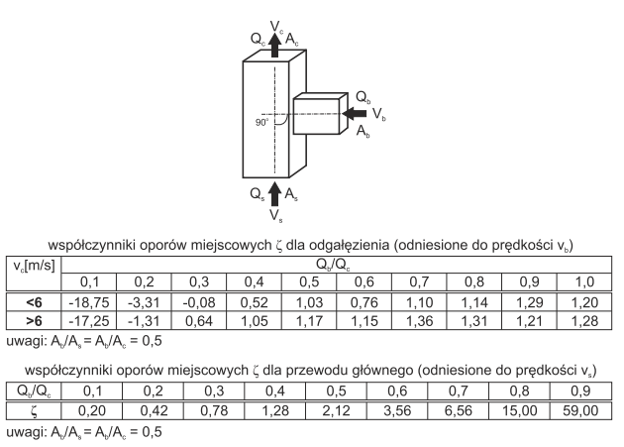

 |  |  | Fitting Type |  | Fitting Role |  | Paths (From-To) |  | Branch Shape
 |  |  | Tee |  | Mixer |  | b-c |  | Rectangular
 |  |  | vc | Qb/Qc
 |  |  |  | 0.1 | 0.2 | 0.3 | 0.4 | 0.5 | 0.6 | 0.7 | 0.8 | 0.9 | 1
 |  |  | <6 | -18.75 | -3.31 | -0.08 | 0.52 | 1.03 | 0.76 | 1.10 | 1.14 | 1.29 | 1.20
 |  |  | >6 | -17.25 | -1.31 | 0.64 | 1.05 | 1.17 | 1.15 | 1.36 | 1.31 | 1.21 | 1.28
 |  |  |  |  |  |  | Paths (From-To) |  | Main Shape
 |  |  |  |  |  |  | s-c |  | Rectangular
 |  |  | Qb/Qc | 0.1 | 0.2 | 0.3 | 0.4 | 0.5 | 0.6 | 0.7 | 0.8 | 0.9
 |  |  | zeta | 0.20 | 0.42 | 0.78 | 1.28 | 2.12 | 3.56 | 6.56 | 15.00 | 59.00

Manufacturer | Symbol | Name
Alnor | TR1 | T-piece with square take-off
ACCA | 10A | Return Trunk Junction Fitting

15
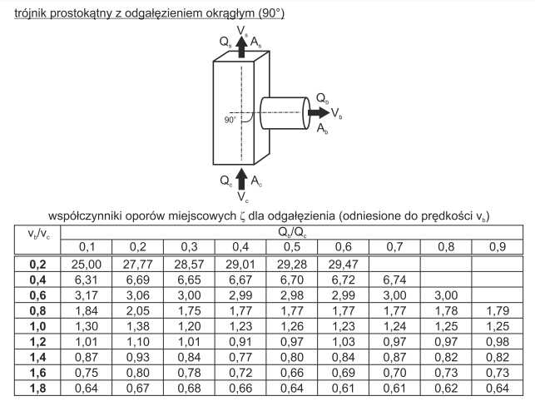
 | 6.31 | 6.69 | 6.65 | 6.67 | 6.70 | 6.72 | 6.74
 | 3.17 | 3.06 | 3.00 | 2.99 | 2.98 | 2.99 | 3.00 | 3.00
 | 1.84 | 2.05 | 1.75 | 1.77 | 1.77 | 1.77 | 1.77 | 1.78 | 1.79
 | 1.30 | 1.38 | 1.20 | 1.23 | 1.26 | 1.23 | 1.24 | 1.25 | 1.25
 | 1.01 | 1.10 | 1.01 | 0.91 | 0.97 | 1.03 | 0.97 | 0.97 | 0.98
 | 0.87 | 0.93 | 0.84 | 0.77 | 0.80 | 0.84 | 0.87 | 0.82 | 0.82
 | 0.75 | 0.80 | 0.78 | 0.72 | 0.66 | 0.69 | 0.70 | 0.73 | 0.73
 | 0.64 | 0.67 | 0.68 | 0.66 | 0.64 | 0.61 | 0.61 | 0.62 | 0.64

 |  |  | Fitting Type |  | Fitting Role |  | Paths (From-To) |  | Branch Shape
 |  |  | Tee |  | Splitter |  | c-b |  | Round
 |  |  | vb/vc | Qb/Qc
 |  |  |  | 0.1 | 0.2 | 0.3 | 0.4 | 0.5 | 0.6 | 0.7 | 0.8 | 0.9
 |  |  | 0.2 | 25.00 | 27.77 | 28.57 | 29.01 | 29.28 | 29.47
 |  |  | 0.4 | 6.31 | 6.69 | 6.65 | 6.67 | 6.70 | 6.72 | 6.74
 |  |  | 0.6 | 3.17 | 3.06 | 3.00 | 2.99 | 2.98 | 2.99 | 3.00 | 3.00
 |  |  | 0.8 | 1.84 | 2.05 | 1.75 | 1.77 | 1.77 | 1.77 | 1.77 | 1.78 | 1.79
 |  |  | 1 | 1.30 | 1.38 | 1.20 | 1.23 | 1.26 | 1.23 | 1.24 | 1.25 | 1.25
 |  |  | 1.2 | 1.01 | 1.10 | 1.01 | 0.91 | 0.97 | 1.03 | 0.97 | 0.97 | 0.98
 |  |  | 1.4 | 0.87 | 0.93 | 0.84 | 0.77 | 0.80 | 0.84 | 0.87 | 0.82 | 0.82
 |  |  | 1.6 | 0.75 | 0.80 | 0.78 | 0.72 | 0.66 | 0.69 | 0.70 | 0.73 | 0.73
 |  |  | 1.8 | 0.64 | 0.67 | 0.68 | 0.66 | 0.64 | 0.61 | 0.61 | 0.62 | 0.64
 |  |  |  |  |  |  | Paths (From-To) |  | Main Shape
 |  |  |  |  |  |  | c-s |  | Rectangular
 |  |  | vs/vc | 0.1 | 0.2 | 0.3 | 0.4 | 0.5 | 0.6 | 0.8
 |  |  | zeta | 28.00 | 5.50 | 1.89 | 0.81 | 0.36 | 0.17 | 0.03

Manufacturer | Symbol | Name
Alnor | TR2 | T-piesce with round take-off
ACCA | 9A | Supply Trunk Junction Fitting

16
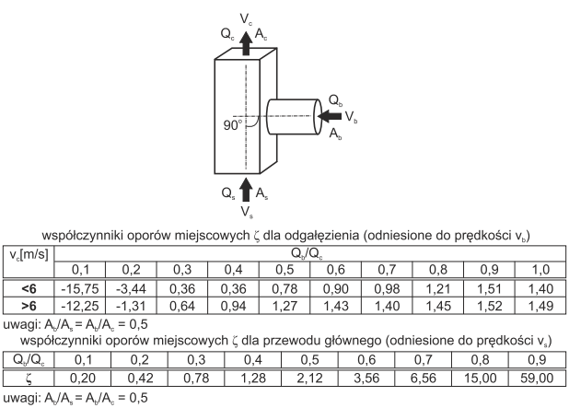

 |  |  | Fitting Type |  | Fitting Role |  | Paths (From-To) |  | Branch Shape
 |  |  | Tee |  | Mixer |  | b-c |  | Round
 |  |  | vc | Qb/Qc
 |  |  |  | 0.1 | 0.2 | 0.3 | 0.4 | 0.5 | 0.6 | 0.7 | 0.8 | 0.9 | 1
 |  |  | <6 | -15.75 | -3.44 | 0.36 | 0.36 | 0.78 | 0.90 | 0.98 | 1.21 | 1.51 | 1.40
 |  |  | >6 | -12.25 | -1.31 | 0.64 | 0.94 | 1.27 | 1.43 | 1.40 | 1.45 | 1.52 | 1.49
 |  |  |  |  |  |  | Paths (From-To) |  | Main Shape
 |  |  |  |  |  |  | s-c |  | Rectangular
 |  |  | Qb/Qc | 0.1 | 0.2 | 0.3 | 0.4 | 0.5 | 0.6 | 0.7 | 0.8 | 0.9
 |  |  | zeta | 0.20 | 0.42 | 0.78 | 1.28 | 2.12 | 3.56 | 6.56 | 15.00 | 59.00

Manufacturer | Symbol | Name
Alnor | TR2 | T-piesce with round take-off

17
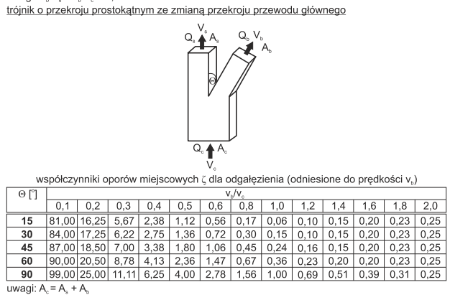

 |  | Fitting Role |  | Paths (From-To)
 |  | Splitter |  | c-b
Angle | vb/vc
 | 0.1 | 0.2 | 0.3 | 0.4 | 0.5 | 0.6 | 0.8 | 1 | 1.2 | 1.4 | 1.6 | 1.8 | 2
15 | 81.00 | 16.25 | 5.67 | 2.38 | 1.12 | 0.56 | 0.17 | 0.06 | 0.10 | 0.15 | 0.20 | 0.23 | 0.25
30 | 84.00 | 17.25 | 6.22 | 2.75 | 1.36 | 0.72 | 0.30 | 0.15 | 0.10 | 0.15 | 0.20 | 0.23 | 0.25
45 | 87.00 | 18.50 | 7.00 | 3.38 | 1.80 | 1.06 | 0.45 | 0.24 | 0.16 | 0.15 | 0.20 | 0.23 | 0.25
60 | 90.00 | 20.50 | 8.78 | 4.13 | 2.36 | 1.47 | 0.67 | 0.36 | 0.23 | 0.20 | 0.20 | 0.23 | 0.25
90 | 99.00 | 25.00 | 11.11 | 6.25 | 4.00 | 2.78 | 1.56 | 1.00 | 0.69 | 0.51 | 0.39 | 0.31 | 0.25
 |  |  |  | Paths (From-To)
 |  |  |  | c-s
Angle | As/Ac | vb/vc
 |  | 0.1 | 0.2 | 0.3 | 0.4 | 0.5 | 0.6 | 0.8 | 1 | 1.2 | 1.4 | 1.6 | 1.8 | 2
15-60 | 0.1 | 81 | 16 | 5.56 | 2.25 | 1.00 | 0.44 | 0.06 | 0.00 | 0.05 | 0.20 | 0.35 | 0.56 | 0.80
90 | 0,0-0,4 | 81 | 16 | 5.56 | 2.25 | 1.00 | 0.44 | 0.06 | 0.00 | 0.05 | 0.20 | 0.35 | 0.56 | 0.80
 | 0.5 | 81 | 16 | 5.78 | 2.50 | 1.20 | 0.64 | 0.27 | 0.20 | 0.25 | 0.40 | 0.55 | 0.74 | 1.00
 | 0.6 | 81 | 16 | 5.78 | 2.38 | 1.12 | 0.56 | 0.16 | 0.10 | 0.15 | 0.30 | 0.47
 | 0.7 | 81 | 16 | 5.56 | 2.31 | 1.08 | 0.50 | 0.11 | 0.05 | 0.10 | 0.20
 | 0.8 | 81 | 16 | 5.56 | 2.25 | 1.00 | 0.44 | 0.06 | 0.00 | 0.05
 | 5.56 | 5.56 | 5.78 | 5.78 | 5.56 | 5.56
 | 2.25 | 2.25 | 2.50 | 2.38 | 2.31 | 2.25
 | 1.00 | 1.00 | 1.20 | 1.12 | 1.08 | 1.00
 | 0.44 | 0.44 | 0.64 | 0.56 | 0.50 | 0.44
 | 0.06 | 0.06 | 0.27 | 0.16 | 0.11 | 0.06
 | 0.00 | 0.00 | 0.20 | 0.10 | 0.05 | 0.00
 | 0.05 | 0.05 | 0.25 | 0.15 | 0.10 | 0.05
 | 0.20 | 0.20 | 0.40 | 0.30 | 0.20
 | 0.35 | 0.35 | 0.55 | 0.47
 | 0.56 | 0.56 | 0.74
 | 0.80 | 0.80 | 1.00

18
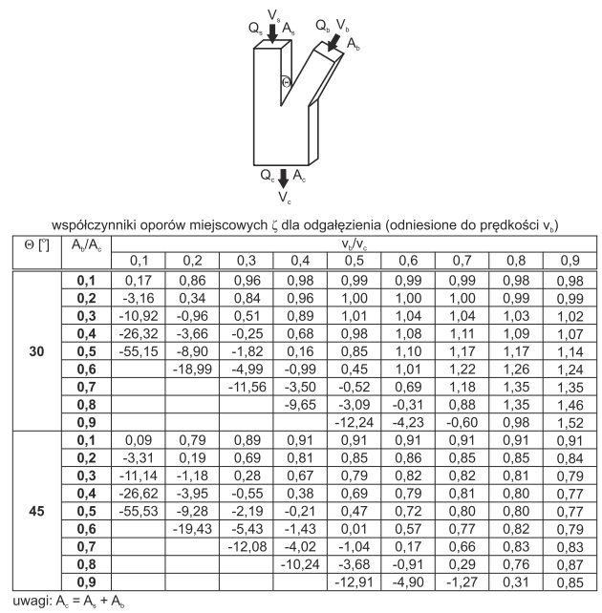
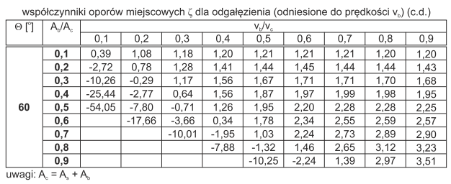
 | 0.17 | 0.86 | 0.96 | 0.98 | 0.99 | 0.99 | 0.99 | 0.98 | 0.98
 | -3.16 | 0.34 | 0.84 | 0.96 | 1.00 | 1.00 | 1.00 | 0.99 | 0.99
 | -10.92 | -0.96 | 0.51 | 0.89 | 1.01 | 1.04 | 1.04 | 1.03 | 1.02
 | -26.32 | -3.66 | -0.25 | 0.68 | 0.98 | 1.08 | 1.11 | 1.09 | 1.07
 | -55.15 | -8.90 | -1.82 | 0.16 | 0.85 | 1.10 | 1.17 | 1.17 | 1.14
 |  | -18.99 | -4.99 | -0.99 | 0.45 | 1.01 | 1.22 | 1.26 | 1.24
 |  |  | -11.56 | -3.50 | -0.52 | 0.69 | 1.18 | 1.35 | 1.35
 |  |  |  | -9.65 | -3.09 | -0.31 | 0.88 | 1.35 | 1.46
 |  |  |  |  | -12.24 | -4.23 | -0.60 | 0.98 | 1.52
 | 0.09 | 0.79 | 0.89 | 0.91 | 0.91 | 0.91 | 0.91 | 0.91 | 0.91
 | -3.31 | 0.19 | 0.69 | 0.81 | 0.85 | 0.86 | 0.85 | 0.85 | 0.84
 | -11.14 | -1.18 | 0.28 | 0.67 | 0.79 | 0.82 | 0.82 | 0.81 | 0.79
 | -26.62 | -3.95 | -0.55 | 0.38 | 0.69 | 0.79 | 0.81 | 0.80 | 0.77
 | -55.53 | -9.28 | -2.19 | -0.21 | 0.47 | 0.72 | 0.80 | 0.80 | 0.77
 |  | -19.43 | -5.43 | -1.43 | 0.01 | 0.57 | 0.77 | 0.82 | 0.79
 |  |  | -12.08 | -4.02 | -1.04 | 0.17 | 0.66 | 0.83 | 0.83
 |  |  |  | -10.24 | -3.68 | -0.91 | 0.29 | 0.76 | 0.87
 |  |  |  |  | -12.91 | -4.90 | -1.27 | 0.31 | 0.85
 | 0.39 | 1.08 | 1.18 | 1.20 | 1.21 | 1.21 | 1.21 | 1.20 | 1.20
 | -2.72 | 0.78 | 1.28 | 1.41 | 1.44 | 1.45 | 1.44 | 1.44 | 1.43
 | -10.26 | -0.29 | 1.17 | 1.56 | 1.67 | 1.71 | 1.71 | 1.70 | 1.68
 | -25.44 | -2.77 | 0.64 | 1.56 | 1.87 | 1.97 | 1.99 | 1.98 | 1.95
 | -54.05 | -7.80 | -0.71 | 1.26 | 1.95 | 2.20 | 2.28 | 2.28 | 2.25
 |  | -17.66 | -3.66 | 0.34 | 1.78 | 2.34 | 2.55 | 2.59 | 2.57
 |  |  | -10.01 | -1.95 | 1.03 | 2.24 | 2.73 | 2.89 | 2.90
 |  |  |  | -7.88 | -1.32 | 1.46 | 2.65 | 3.12 | 3.23
 |  |  |  |  | -10.25 | -2.24 | 1.39 | 2.97 | 3.51

Fitting Type |  | Fitting Role |  | Paths (From-To) |  | Shape
 |  | Mixer |  | b-c |  | Rectangular
Angle | Ab/Ac | vb/vc
 |  | 0.1 | 0.2 | 0.3 | 0.4 | 0.5 | 0.6 | 0.7 | 0.8 | 0.9
30 | 0.1 | 0.17 | 0.86 | 0.96 | 0.98 | 0.99 | 0.99 | 0.99 | 0.98 | 0.98
 | 0.2 | -3.16 | 0.34 | 0.84 | 0.96 | 1.00 | 1.00 | 1.00 | 0.99 | 0.99
 | 0.3 | -10.92 | -0.96 | 0.51 | 0.89 | 1.01 | 1.04 | 1.04 | 1.03 | 1.02
 | 0.4 | -26.32 | -3.66 | -0.25 | 0.68 | 0.98 | 1.08 | 1.11 | 1.09 | 1.07
 | 0.5 | -55.15 | -8.90 | -1.82 | 0.16 | 0.85 | 1.10 | 1.17 | 1.17 | 1.14
 | 0.6 |  | -18.99 | -4.99 | -0.99 | 0.45 | 1.01 | 1.22 | 1.26 | 1.24
 | 0.7 |  |  | -11.56 | -3.50 | -0.52 | 0.69 | 1.18 | 1.35 | 1.35
 | 0.8 |  |  |  | -9.65 | -3.09 | -0.31 | 0.88 | 1.35 | 1.46
 | 0.9 |  |  |  |  | -12.24 | -4.23 | -0.60 | 0.98 | 1.52
45 | 0.1 | 0.09 | 0.79 | 0.89 | 0.91 | 0.91 | 0.91 | 0.91 | 0.91 | 0.91
 | 0.2 | -3.31 | 0.19 | 0.69 | 0.81 | 0.85 | 0.86 | 0.85 | 0.85 | 0.84
 | 0.3 | -11.14 | -1.18 | 0.28 | 0.67 | 0.79 | 0.82 | 0.82 | 0.81 | 0.79
 | 0.4 | -26.62 | -3.95 | -0.55 | 0.38 | 0.69 | 0.79 | 0.81 | 0.80 | 0.77
 | 0.5 | -55.53 | -9.28 | -2.19 | -0.21 | 0.47 | 0.72 | 0.80 | 0.80 | 0.77
 | 0.6 |  | -19.43 | -5.43 | -1.43 | 0.01 | 0.57 | 0.77 | 0.82 | 0.79
 | 0.7 |  |  | -12.08 | -4.02 | -1.04 | 0.17 | 0.66 | 0.83 | 0.83
 | 0.8 |  |  |  | -10.24 | -3.68 | -0.91 | 0.29 | 0.76 | 0.87
 | 0.9 |  |  |  |  | -12.91 | -4.90 | -1.27 | 0.31 | 0.85
60 | 0.1 | 0.39 | 1.08 | 1.18 | 1.20 | 1.21 | 1.21 | 1.21 | 1.20 | 1.20
 | 0.2 | -2.72 | 0.78 | 1.28 | 1.41 | 1.44 | 1.45 | 1.44 | 1.44 | 1.43
 | 0.3 | -10.26 | -0.29 | 1.17 | 1.56 | 1.67 | 1.71 | 1.71 | 1.70 | 1.68
 | 0.4 | -25.44 | -2.77 | 0.64 | 1.56 | 1.87 | 1.97 | 1.99 | 1.98 | 1.95
 | 0.5 | -54.05 | -7.80 | -0.71 | 1.26 | 1.95 | 2.20 | 2.28 | 2.28 | 2.25
 | 0.6 |  | -17.66 | -3.66 | 0.34 | 1.78 | 2.34 | 2.55 | 2.59 | 2.57
 | 0.7 |  |  | -10.01 | -1.95 | 1.03 | 2.24 | 2.73 | 2.89 | 2.90
 | 0.8 |  |  |  | -7.88 | -1.32 | 1.46 | 2.65 | 3.12 | 3.23
 | 0.9 |  |  |  |  | -10.25 | -2.24 | 1.39 | 2.97 | 3.51

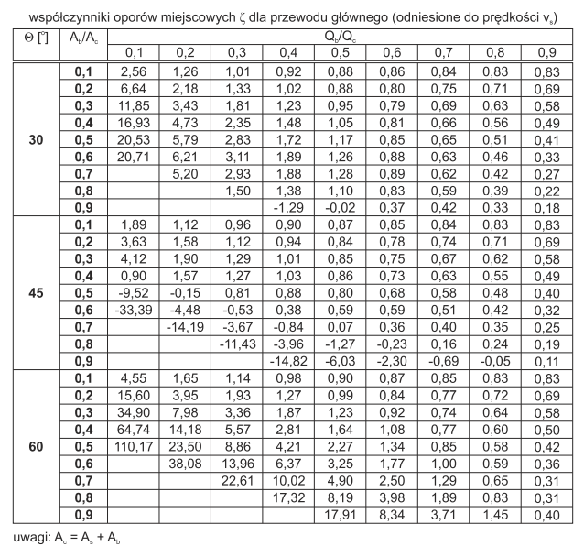
 |  |  |  | Paths (From-To) |  | Shape
 |  |  |  | s-c |  | Rectangular
Angle | Ab/Ac | Qb/Qc
 |  | 0.1 | 0.2 | 0.3 | 0.4 | 0.5 | 0.6 | 0.7 | 0.8 | 0.9
30 | 0.1 | 2.56 | 1.26 | 1.01 | 0.92 | 0.88 | 0.86 | 0.84 | 0.83 | 0.83
 | 0.2 | 6.64 | 2.18 | 1.33 | 1.02 | 0.88 | 0.80 | 0.75 | 0.71 | 0.69
 | 0.3 | 11.85 | 3.43 | 1.81 | 1.23 | 0.95 | 0.79 | 0.69 | 0.63 | 0.58
 | 0.4 | 16.93 | 4.73 | 2.35 | 1.48 | 1.05 | 0.81 | 0.66 | 0.56 | 0.49
 | 0.5 | 20.53 | 5.79 | 2.83 | 1.72 | 1.17 | 0.85 | 0.65 | 0.51 | 0.41
 | 0.6 | 20.71 | 6.21 | 3.11 | 1.89 | 1.26 | 0.88 | 0.63 | 0.46 | 0.33
 | 0.7 |  | 5.20 | 2.93 | 1.88 | 1.28 | 0.89 | 0.62 | 0.42 | 0.27
 | 0.8 |  |  | 1.50 | 1.38 | 1.10 | 0.83 | 0.59 | 0.39 | 0.22
 | 0.9 |  |  |  | -1.29 | -0.02 | 0.37 | 0.42 | 0.33 | 0.18
45 | 0.1 | 1.89 | 1.12 | 0.96 | 0.90 | 0.87 | 0.85 | 0.84 | 0.83 | 0.83
 | 0.2 | 3.63 | 1.58 | 1.12 | 0.94 | 0.84 | 0.78 | 0.74 | 0.71 | 0.69
 | 0.3 | 4.12 | 1.90 | 1.29 | 1.01 | 0.85 | 0.75 | 0.67 | 0.62 | 0.58
 | 0.4 | 0.90 | 1.57 | 1.27 | 1.03 | 0.86 | 0.73 | 0.63 | 0.55 | 0.49
 | 0.5 | -9.52 | -0.15 | 0.81 | 0.88 | 0.80 | 0.68 | 0.58 | 0.48 | 0.40
 | 0.6 | -33.39 | -4.48 | -0.53 | 0.38 | 0.59 | 0.59 | 0.51 | 0.42 | 0.32
 | 0.7 |  | -14.19 | -3.67 | -0.84 | 0.07 | 0.36 | 0.40 | 0.35 | 0.25
 | 0.8 |  |  | -11.43 | -3.96 | -1.27 | -0.23 | 0.16 | 0.24 | 0.19
 | 0.9 |  |  |  | -14.82 | -6.03 | -2.30 | -0.69 | -0.05 | 0.11
60 | 0.1 | 4.55 | 1.65 | 1.14 | 0.98 | 0.90 | 0.87 | 0.85 | 0.83 | 0.83
 | 0.2 | 15.60 | 3.95 | 1.93 | 1.27 | 0.99 | 0.84 | 0.77 | 0.72 | 0.69
 | 0.3 | 34.90 | 7.98 | 3.36 | 1.87 | 1.23 | 0.92 | 0.74 | 0.64 | 0.58
 | 0.4 | 64.74 | 14.18 | 5.57 | 2.81 | 1.64 | 1.08 | 0.77 | 0.60 | 0.50
 | 0.5 | 110.17 | 23.50 | 8.86 | 4.21 | 2.27 | 1.34 | 0.85 | 0.58 | 0.42
 | 0.6 |  | 38.08 | 13.96 | 6.37 | 3.25 | 1.77 | 1.00 | 0.59 | 0.36
 | 0.7 |  |  | 22.61 | 10.02 | 4.90 | 2.50 | 1.29 | 0.65 | 0.31
 | 0.8 |  |  |  | 17.32 | 8.19 | 3.98 | 1.89 | 0.83 | 0.31
 | 0.9 |  |  |  |  | 17.91 | 8.34 | 3.71 | 1.45 | 0.40
 | 1.26 | 1.01 | 0.92 | 0.88 | 0.86 | 0.84 | 0.83 | 0.83
 | 2.18 | 1.33 | 1.02 | 0.88 | 0.80 | 0.75 | 0.71 | 0.69
 | 3.43 | 1.81 | 1.23 | 0.95 | 0.79 | 0.69 | 0.63 | 0.58
 | 4.73 | 2.35 | 1.48 | 1.05 | 0.81 | 0.66 | 0.56 | 0.49
 | 5.79 | 2.83 | 1.72 | 1.17 | 0.85 | 0.65 | 0.51 | 0.41
 | 6.21 | 3.11 | 1.89 | 1.26 | 0.88 | 0.63 | 0.46 | 0.33
 | 5.20 | 2.93 | 1.88 | 1.28 | 0.89 | 0.62 | 0.42 | 0.27
 |  | 1.50 | 1.38 | 1.10 | 0.83 | 0.59 | 0.39 | 0.22
 |  |  | -1.29 | -0.02 | 0.37 | 0.42 | 0.33 | 0.18
 | 1.12 | 0.96 | 0.90 | 0.87 | 0.85 | 0.84 | 0.83 | 0.83
 | 1.58 | 1.12 | 0.94 | 0.84 | 0.78 | 0.74 | 0.71 | 0.69
 | 1.90 | 1.29 | 1.01 | 0.85 | 0.75 | 0.67 | 0.62 | 0.58
 | 1.57 | 1.27 | 1.03 | 0.86 | 0.73 | 0.63 | 0.55 | 0.49
 | -0.15 | 0.81 | 0.88 | 0.80 | 0.68 | 0.58 | 0.48 | 0.40
 | -4.48 | -0.53 | 0.38 | 0.59 | 0.59 | 0.51 | 0.42 | 0.32
 | -14.19 | -3.67 | -0.84 | 0.07 | 0.36 | 0.40 | 0.35 | 0.25
 |  | -11.43 | -3.96 | -1.27 | -0.23 | 0.16 | 0.24 | 0.19
 |  |  | -14.82 | -6.03 | -2.30 | -0.69 | -0.05 | 0.11
 | 1.65 | 1.14 | 0.98 | 0.90 | 0.87 | 0.85 | 0.83 | 0.83
 | 3.95 | 1.93 | 1.27 | 0.99 | 0.84 | 0.77 | 0.72 | 0.69
 | 7.98 | 3.36 | 1.87 | 1.23 | 0.92 | 0.74 | 0.64 | 0.58
 | 14.18 | 5.57 | 2.81 | 1.64 | 1.08 | 0.77 | 0.60 | 0.50
 | 23.50 | 8.86 | 4.21 | 2.27 | 1.34 | 0.85 | 0.58 | 0.42
 | 38.08 | 13.96 | 6.37 | 3.25 | 1.77 | 1.00 | 0.59 | 0.36
 |  | 22.61 | 10.02 | 4.90 | 2.50 | 1.29 | 0.65 | 0.31
 |  |  | 17.32 | 8.19 | 3.98 | 1.89 | 0.83 | 0.31
 |  |  |  | 17.91 | 8.34 | 3.71 | 1.45 | 0.40

19
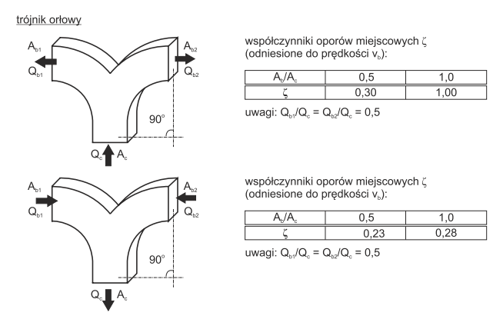

 |  |  |  |  |  | Paths (From-To)
 |  |  | Fitting Type |  | Fitting Role | c-b1
 |  |  | Radius Tee |  | Splitter | c-b2
 |  |  | Ab/Ac | 0.5 | 1
 |  |  | zeta | 0.3 | 1

 |  |  |  |  |  | Paths (From-To)
 |  |  | Fitting Type |  | Fitting Role | b1-c
 |  |  | Radius Tee |  | Mixer | b2-c
 |  |  | Ab/Ac | 0.5 | 1
 |  |  | zeta | 0.23 | 0.28

Organisation | Symbol | Name
Alnor | TR3 | Wye Tee
ACCA | 9M | Supply Trunk Junction Fitting
ACCA | 10C | Return Trunk Junction Fitting

21
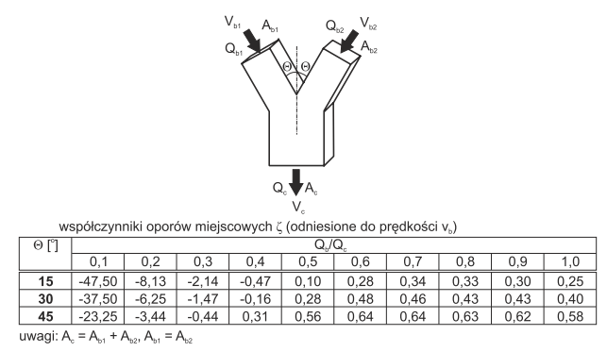

 |  |  |  |  |  |  | Paths (From-To)
 |  |  | Fitting Type |  | Fitting Role |  | b1-c |  | Shape
 |  |  | PantWye |  | Mixer |  | b2-c |  | Rectangular
 |  |  | Angle | Qb/Qc
 |  |  |  | 0.1 | 0.2 | 0.3 | 0.4 | 0.5 | 0.6 | 0.7 | 0.8 | 0.9 | 1
 |  |  | 15 | -47.50 | -8.13 | -2.14 | -0.47 | 0.10 | 0.28 | 0.34 | 0.33 | 0.30 | 0.25
 |  |  | 30 | -37.50 | -6.25 | -1.47 | -0.16 | 0.28 | 0.48 | 0.46 | 0.43 | 0.43 | 0.40
 |  |  | 45 | -23.25 | -3.44 | -0.44 | 0.31 | 0.56 | 0.64 | 0.64 | 0.63 | 0.62 | 0.58

 |  |  | Comments:
Manufacturer | Symbol | Name | Which Qb should be taken to calculate Qb/Qc ratio?
Alnor | TR5 | Wye Tee | This ratio has to be calculated once per branch.
ACCA | 10D | Return Trunk Junction Fitting | Ratio1 = Qb1/Qc
 |  |  | Ratio2 = Qb2/Qc

20
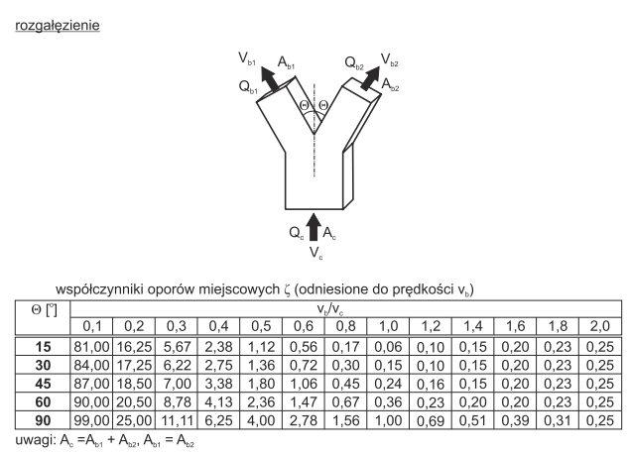

 |  |  |  |  |  |  | Paths (From-To)
 |  |  | Fitting Type |  | Fitting Role |  | c-b1 |  | Shape
 |  |  | PantWye |  | Splitter |  | c-b2 |  | Rectangular
 |  |  | Angle | vb/vc
 |  |  |  | 0.1 | 0.2 | 0.3 | 0.4 | 0.5 | 0.6 | 0.8 | 1.0 | 1.2 | 1.4 | 1.6 | 1.8 | 2.0
 |  |  | 15 | 81.00 | 16.25 | 5.67 | 2.38 | 1.12 | 0.56 | 0.17 | 0.06 | 0.10 | 0.15 | 0.20 | 0.23 | 0.25
 |  |  | 30 | 84.00 | 17.25 | 6.22 | 2.75 | 1.36 | 0.72 | 0.30 | 0.15 | 0.10 | 0.15 | 0.20 | 0.23 | 0.25
 |  |  | 45 | 87.00 | 18.50 | 7.00 | 3.38 | 1.80 | 1.06 | 0.45 | 0.24 | 0.16 | 0.15 | 0.20 | 0.23 | 0.25
 |  |  | 60 | 90.00 | 20.50 | 8.78 | 4.13 | 2.36 | 1.47 | 0.67 | 0.36 | 0.23 | 0.20 | 0.20 | 0.23 | 0.25
 |  |  | 90 | 99.00 | 25.00 | 11.11 | 6.25 | 4.00 | 2.78 | 1.56 | 1.00 | 0.69 | 0.51 | 0.39 | 0.31 | 0.25

Manufacturer | Symbol | Name | Comments:
Alnor | TR5 | Wye Tee | Which vb should be taken to calculate vb/vc ratio?
ACCA | 9N | Supply Trunk Junction Fitting | This ratio has to be calculated once per branch.
 |  |  | Ratio1 = vb1/vc
 |  |  | Ratio2 = vb2/vc

